Sheet1
S.No. | Test case ID | Test case name | Module | Test scenario | Test steps | Test data | Expected result | Actual Result | Status | Comments
 |  |  |  | TEST CASES FOR IBHRMS
 |  | Date-- 28/03/2024

S.No. | Test case ID | Test case name | Module | Test scenario | Test steps | Test data | Expected result | Actual Result | Status | Comments
1 | TC_001 | login a account with valid details | login | Verify if user is getting "Given email ID and password with same details | Open browser and navigate to URL | browser - Chrome URL - https://www.ibhrms.com/ | Home page should be displayed | Home page should be displayed | pass
 |  |  |  |  | Click on login button | NA | Login page should be displayed | Login page should be displayed

 |  |  |  |  | Enter all valid details and click on login button | Email - kumarbrother6232@gmail.com PW - Mohit#6488 | Dashboard page should be display | Dashboard page should be display | pass

2 | TC_002 | login a account with invalid details | login | Verify if user login to invalid details | Open browser and navigate to URL | browser - Chrome URL - https://www.ibhrms.com/ | home page should be displayed | home page should be displayed | pass
 |  |  |  |  | Click on login button | NA | Login page should be displayed | Login page should be displayed

 |  |  |  |  | Enter all invalid details and click on login | Email - kumar123@gmail.com PW - Mohit#6488 | invalid email popup should be displayed | invalid email popup should be displayed

3 | TC_003 | check the functionlaity humburger button | Attendance | click on attendance sheet option |  |  |  |  | pass
 |  |  |  |  | click on present in text | NA | successfully present in popup should be displayed | successfully present in popup should be displayed

4 | TC_004 | check the functionlaity humburger button | Attendance | click on attendance sheet option |  |  |  |  | pass
 |  |  |  |  | click on present in text in second time | NA | present is already done popup should be displayed | present is already done popup should be displayed

5 | TC_005 | check the functionlaity humburger button | Attendance | click on attendance sheet option |  |  |  |  | pass
 |  |  |  |  | click on present out text | NA | successfully present out popup should be displayed | successfully present out popup should be displayed

6 | TC_006 | check the functionality | My Profile | click on show mean icon |  |  |  |  | pass
 |  |  |  |  | click on settings text | NA | account settings page should be displayed | account settings page should be displayed

 |  | Date--29/03/2024

7 | TC_007 | check the functionality | My Profile | click on show mean icon | enter valid pincode,dob and click on save button |  |  |  | fail
 |  |  |  |  |  | pincode-462020 | the anniversary date is not valid date popup should be displayed | successfully update popup should be displayed
 |  |  |  |  |  | Dob-19/04/2000

8 | TC_008 | check the functionality | My Profile | click on show mean icon | enter valid permanent address and click on save button | PA- 604, Luxuria Business Hub, nr. VR Mall, Vesu, Surat, Gujarat 395007
 |  |  |  |  |  |  | the anniversary date is not valid date popup should be displayed | successfully update popup should be displayed | fail

9 | TC_009 | check the functionality | My Profile | click on show mean icon | enter valid date of anniversary and click on save button
 |  |  |  |  |  | DOA- 27/03/2024 | the anniversary date is not valid date popup should be displayed | successfully update popup should be displayed | fail

10 | TC_010 | check the functionality | My Profile | click on show mean icon | enter valid kid's birth date and click on save button |  | the date of birth is not a valid popup should be displayed | this text field is mandatory popup should be displayed | fail
 |  |  |  |  |  | NA

11 | TC_011 | logout | logout | click on show mean icon | click on logout button |  |  |  | pass
 |  |  |  |  |  | NA | successfully logout popup should be displayed | successfully logout popup should be displayed

12 | TC_012 | check the functionlaity humburger button | holiday | click on holiday option | show the holiday calendar page |  | successfully holiday calendar page should be displayed | successfully holiday calendar page should be displayed | pass
 |  |  |  |  |  | NA

13 | TC_013 | check the functionlaity humburger button | organization Structure | click on organization Structure option | show the organization Structurer page |  | successfully organization Structure page should be displayed | successfully organization Structure page should be displayed | pass
 |  |  |  |  |  | NA

14 | TC_014 | check the functionlaity humburger button | salary | click on salary option | show the salary page |  | successfully salary page should be displayed | successfully salary page should be displayed | pass
 |  |  |  |  |  | NA

15 | TC_015 | check the functionlaity humburger button | leaves | click on leaves option | show the leaves page |  | successfully leaves page should be displayed | successfully leaves page should be displayed | pass
 |  |  |  |  |  | NA

16 | TC_016 | check the functionlaity humburger button | probations | click on probations option | show the probations page |  | successfully probations page should be displayed | successfully probations page should be displayed | pass
 |  |  |  |  |  | NA

17 | TC_017 | check the functionlaity humburger button | resign | click on resign option | show the resign page |  | successfully resign page should be displayed | successfully resign page should be displayed | pass
 |  |  |  |  |  | NA

18 | TC_018 | check the functionlaity humburger button | termination | click on termination option | show the termination page |  | successfully termination page should be displayed | successfully termination page should be displayed | pass
 |  |  |  |  |  | NA

 |  | Date--30/-3/2024

19 | TC_019 | check the functionlaity humburger button | terms and conditions | click on terms and conditions option | show the terms and conditions page |  | successfully terms and conditions page should be displayed | successfully terms and conditions page should be displayed | pass
 |  |  |  |  |  | NA

20 | TC_020 | check the functionlaity humburger button | forget present out | click on forget present out option | show the forget present out page |  | successfully forget present out page should be displayed | successfully forget present out page should be displayed | pass
 |  |  |  |  |  | NA

21 | TC_021 | check the functionality | my profile | click on show mean icon | enter valid pincode,dob and click on save button | DOB-19/04/2002 | successfully udpate should be displayed | successfully udpate should be displayed | pass
 |  |  |  |  |  | DOA-19/04/2020
 |  |  |  |  |  | KBD-23/03/2023
 |  | 2024-04-02

22 | TC_022 | login after update my profile | login | Verify if user is getting "Given email ID and password with same details | Enter all valid details and click on login button | Email - kumarbrother6232@gmail.com PW - Mohit#6488 | invalid email id popup should be displayed | successfully login popup should be displayed (remain text field is blank) | 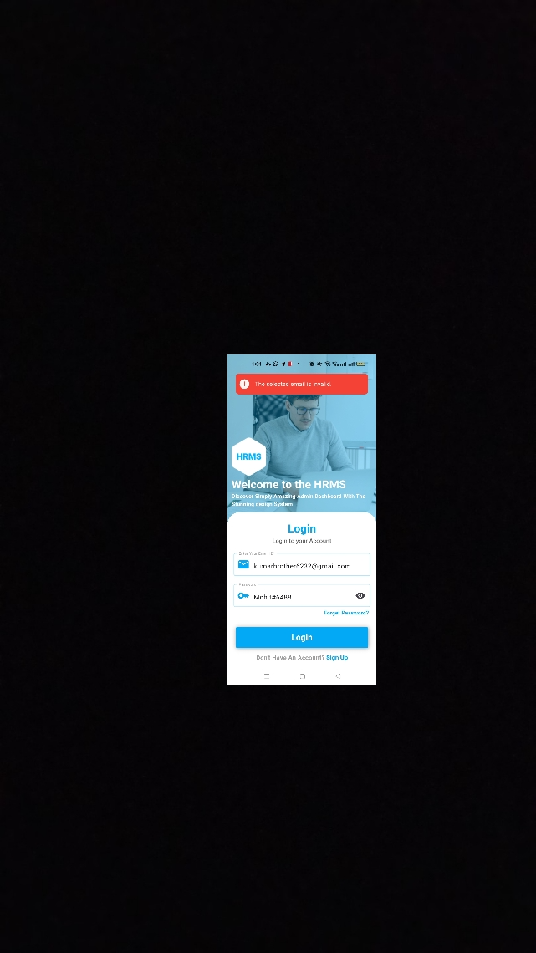 fail

23 | TC_023 | check the functionality | My Profile | click on show mean icon | my profile page should be displayed | NA |  |  | fail
 |  |  |  |  |  |  | my profile page should be displayed But setting button is overlape | my profile page should be displayed properly

24 | TC_024 | check the functionlaity humburger button | leaves | click on leaves option | show the leaves page |  | successfully leaves page should be displayed | successfully leaves page should be displayed | pass
 |  |  |  |  |  | NA

 |  |  |  |  | click on add leave button | from date- | apply successfully popup should be displayed | apply successfully popup should be displayed
 |  |  |  |  |  | to date- |  |  | pass
 |  |  |  |  |  | in time -
 |  |  |  |  |  | out time-
 |  |  |  |  |  | resason-
 |  |  |  |  | click on apply button | NA

25 | TC_025 | login a account with valid details | login | Verify if user is getting "Given email ID and password with same details | Open browser and navigate to URL | browser - Chrome URL - https://www.ibhrms.com/ | Home page should be displayed | Home page should be displayed | pass
 |  |  |  |  | Click on login button | NA | Login page should be displayed | Login page should be displayed

 |  |  |  |  | Enter all valid details and click on login button | Email - demo@gmai.lcom PW - 12345678 | Dashboard page should be display | Dashboard page should be display | pass

 |  |  |  | check the functionlaity humburger button and click on leaves option | click on Actions button |  | updated successfully popup should be displayed | updated successfully popup should be displayed | pass

 |  |  |  |  |  | select assign-rejected
 |  |  |  |  |  | enter remark-ok done
 |  |  |  |  |  | click-submit button

26 | TC_026 | check the functionlaity humburger button | Roles | click on Roles option | show the Roles page |  | successfully Role page should be displayed | successfully Role page should be displayed | pass
 |  |  |  |  |  | NA

 |  |  |  |  | click on add role button |  | add role successfully popup should be displayed | add role successfully popup should be displayed

 |  |  |  |  |  | Role-backend developer

 |  |  |  |  | click on add role button | NA

27 | TC_027 | check the functionlaity humburger button | Department | click on Department option | show the Department page |  | successfully Department page should be displayed | successfully Department page should be displayed | pass
 |  |  |  |  |  | NA

 |  |  |  |  | click on add Department button |  | add Department successfully popup should be displayed | add Department successfully popup should be displayed

 |  |  |  |  |  | Department -Hr

 |  |  |  |  | click on add Department button | NA

28 | TC_028 | check the functionlaity humburger button | Designation | click on Department option | show the Designation page |  | successfully Designation page should be displayed | successfully Designation page should be displayed | pass
 |  |  |  |  |  | NA

 |  |  |  |  | click on add Designation button |  | add Designation successfully popup should be displayed | add Designation successfully popup should be displayed
 |  |  |  |  |  | Designation job post- developer
 |  |  |  |  |  | Designation job titel-backed

 |  |  |  |  | click on add Designation button | NA

28 | TC_028 | check the functionlaity humburger button | Office | click on Office option | show the Office page |  | successfully Office page should be displayed | successfully Office page should be displayed | pass
 |  |  |  |  |  | NA

 |  |  |  |  | click on add Office button |  | add Office successfully popup should be displayed | add Office successfully popup should be displayed
 |  |  |  |  |  | office name-
 |  |  |  |  |  | email-mobile no-
 |  |  |  |  |  | address-
 |  |  |  |  |  | country-
 |  |  |  |  |  | state-
 |  |  |  |  |  | city-
 |  |  |  |  |  | latitude-
 |  |  |  |  |  | longitude-
 |  |  |  |  | click on add Office button | NA

